1. Title Page
Project Name: Instacart Customer Analysis
Date: 17-7-2023
Analyst Name: Maria Maske

Contents:
2. Population Flow
3. Consistency checks
4. Wrangling steps
5. Column derivations
6. Visualizations
7. Recommendations

Problem Statement
Instacart, an online grocery store that operates through an app, that what’s to uncover more information about their sales patterns. Therefore we analysed the existing data in order to derive insights and suggest strategies for better segmentation based on the provided criteria.

Data Citation:

Customer data, as well as the "prices" data, were both fabricated for the purpose of this project.
"The Instacart Online Grocery Shopping Dataset 2017", Accessed from http://www.instacart.com/datasets/grocery-shopping-2017 on [date].

2. Population Flow
3421083 | Title page

Population flow

Exclusion flag
Condition: max_order < 5
Obervations to be removed: 1440295
Final total count of order_products_all: 30964564

Orders_products_combined
Orders_products_merged
Orders_products_all

Total:32,404,859
Total:32,434,489
Total: 32,404,859

1.) The grey boxes in the first row of the population flow represent the original data sets as they were when you downloaded them. In the Total fields you need to add the count of the rows when you imported the data set into Jupyter.
2.) The second row of boxes (coloured) represents the data sets after you manipulated them, e.g., removed missing values and duplicates. In the Total fields you need to add the count of the rows after conducting these operations. This offers a visual oveview of how the data flows throughout the data consistency checks.
3.) The third row, where also the arrows are coloured, represents the merges you performed between the datasets. In the Total fields you need to add the count of the rows in the merged datasets, so that you end up with the final dataset (in the red box). Keep in mind the final dataset should be without exclusions (based on the exclusion flag).

3. Consistency checks
 |  |  |  | Title page
Consistency checks

Dataset | Missing values | Missing values treatment | Duplicates
orders | 206209 missing values were found. | No changes. These were first time order. | No duplicates.
products | 16 missing values were found. | I removed these records. | 5 duplicates were found and removed.
orders_products_prior | No missing values were found |  | no duplicates
customers | 11,259 missing values found in 'First Name' column | As we don't this information to maintain the PII privacy | No duplicates

4. Wrangling steps
 |  |  |  | Title page
Wrangling steps

Columns dropped | Columns renamed | Columns' type changed | Comment/Reason
eval_set' from orders |  |  | data was not relevant for analysis
 | orders_dow' to 'orders_day_of_week' from orders |  | renamed so that it can be more discriptive
 |  | order_id' into string from orders | changed from int64 to str, to optimize calculation like describe()
 |  | user_id' into string from orders | changed from int64 to str, to optimize calculation like describe()
 | days_sice_prior_order' to 'days_since_last_order' from orders |  | renamed so that it can be more discriptive
Unnamed: 0 from orders |  |  | data was not relevant for analysis
 | Surnam' to last_name from customer |  | renamed so that it can be more discriptive
 | Gender' to 'gender' from customer |  | renamed so that it can be more discriptive
 | STATE' to 'state' from customer |  | renamed so that it can be more discriptive
 | Age' to 'age' from customer |  | renamed so that it can be more discriptive
first_name' |  |  | removed for security concerns since it contains PII
last_name' |  |  | removed for security concerns since it contains PII

5. Column derivations
 |  |  |  |  | Title page

Column derivations and aggregations

In this tab you should add tables below that the frequences of flags/label variables that you produced after deriving them. NB: don't do this for continuous variables, only for flags.
Dataset | New column | Column/s it was derived from | Conditions | Frequency
orders_products_merged | price_range_loc | prices | prices<=15&prices>5:'Mid range product' | Mid range product 21860860
 |  |  | prices<=5:'Low range product' | Low range product 10126321
 |  |  | prices>15:'High range product' | High range product 417678
orders_products_merged | busiest_day | orders_day_of_week | if value==4 | Regularly busy 22416875
 |  |  | if value==0 | Busiest day 6204182
 |  |  | else | Least busy 3783802
orders_products_merged | busiest_days | orders_day_of_week | else | Regular days 12916111
 |  |  | if 0or1 | Busiest days 11864412
 |  |  | if 4 or 3 | Slowest days 7624336
orders_products_merged | busiest_period_of_day | order_hour_of_day | if hour in 10,11,14,15,13,12,16,9 | Most orders 21118071
 |  |  | if hour in 17,8,18,19,20,7,21,22 | Average orders 9997651
 |  |  | else | Fewest orders 1289137
orders_products_merged | loyalty_flag | max_order | max_order is <=40 &>10 | Regular Customer 15876776
 |  |  | max_order>40 | Loyal Customer 10284093
 |  |  | max_order<=10 | New Customer 6243990
orders_products_merged | spending_flag | avg_price | avg_price<10 | Low Spender 31770614
 |  |  | avg_price>=10 | High Spender 634245
orders_products_merged | customer | median_frequency | median_frequency<=10 | Frequent customer 21559853
 |  |  | median_frequency>10&median_frequency<=20 | Regular customer 7208564
 |  |  | median_frequency>20 | Non frequent customer 3636437
customers_merged | region | state |  | South 10791885
 |  |  |  | West 8292913
 |  |  |  | Midwest 7597325
 |  |  |  | Northeast 5722736
customers_merged | activity_of_customer | max_order | max_order>=5 | High order customer 30964564
 |  |  | max_order<5 | Low order customer 1440295
customers_merged | age_flag | age | age<=65&age<=40 | Middle-age 12646712
 |  |  | age<=40 | Young adult 11670046
 |  |  | age>65 | Senior 8088101
customers_merged | income_flag | income | income<=120k & income>50k | Middle income 19239676
 |  |  | income>120k | High income 9571100
 |  |  | income<=50k | Low income 3594083
customers_merged | family_flag | total_depandants | total_depandants!=0 | Family 24307356
 |  |  | total_depandants==0 | Single 8097503

6. Visualizations
 |  |  |  |  | Title page

Visualisations

1. What are the busiest days of the week and busiest hours of the day??



 |  |  | This bar plot shows here the number of orders (y-axis) per day of the week(x-axis).
 |  |  | 0=Saturday
 |  |  | 1=Sunday
 |  |  | 2=Monday
 |  |  | 3=Tuesday
 |  |  | 4=Wednesday
 |  |  | 5=Thrusday
 |  |  | 6=Friday

 |  |  | The bar chart shows the frequency of purchases on different days of the week, with Saturday and Sunday being the busiest. And days with fewest orders are Wednesday and Tuesday.

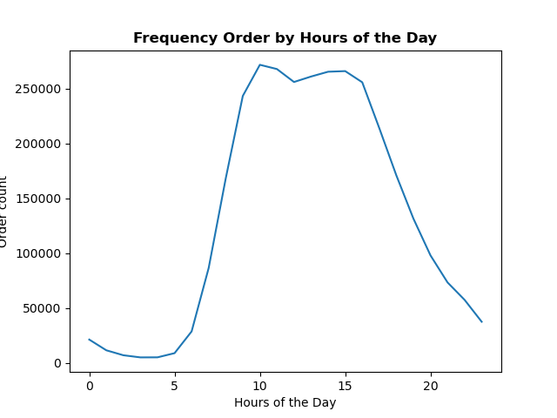

 |  |  | The line chart shows the frequency of purchases at different times of the day. Die line chart shows a peak between 9am to 5pm and therefore the busiest time. And the slowest time of the day is during early morning time i.e. between midnight to 7 in the morning time.

2. Are there particular times of the day when people spend the most money?



 |  |  | This line plot here shows the average price of ordered item by the order hour of the day.
 |  |  | There is a fluctuation in peak hour at 4 am and 10 am when people spend little money.
 |  |  | Although the fluctuation is only 1%((7.830-7.750)/7.750) of price. So, I will say, there is no material difference.

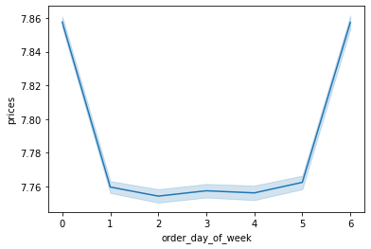

 |  |  | The line chart ilustrates how prices differ depending on the day of the week. The peaks occur on Saturday and Friday.
 |  |  | The peaks occur on Saturday and Friday.

3. Instacart has a lot of products with different price tags. Marketing and sales want to use simpler price range groupings to help direct their efforts.
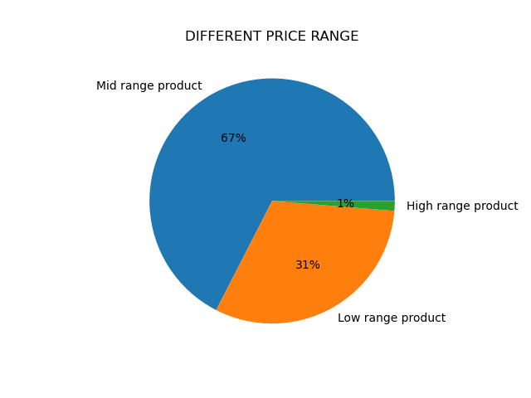

 |  |  | This pie plot shows different price range of products.
 |  |  | prices<=15&prices>5:'Mid range product'
 |  |  | prices<=5:'Low range product'
 |  |  | prices>15:'High range product'
 |  |  | 67 % products falls under mid range product.
 |  |  | There are only 1% percent products which falls under high range product.

4. You’ll also need to explore whether there’s a connection between age and spending power (income). To visualize this relationship, create a scatterplot using the sns.scatterplot() function.


 |  | There is a potential positive correlation betwen age and income in the above scatterplot. However, the presence of outliers, or individuals with exceptionally high income, is observed across different age groups.
 |  | From age 20-40, incomes clustered between $25-200K, and then spread out between $200-400K, showing a few outliers with higher incomes than general population of the same age group.
 |  | Between age 40-80, income clusters between $25-300K (the upper income limit increases) and then spreads out from $300-600K, indicating individuals with higher income within the same group.

5. Are there certain type of products that are popular than others?

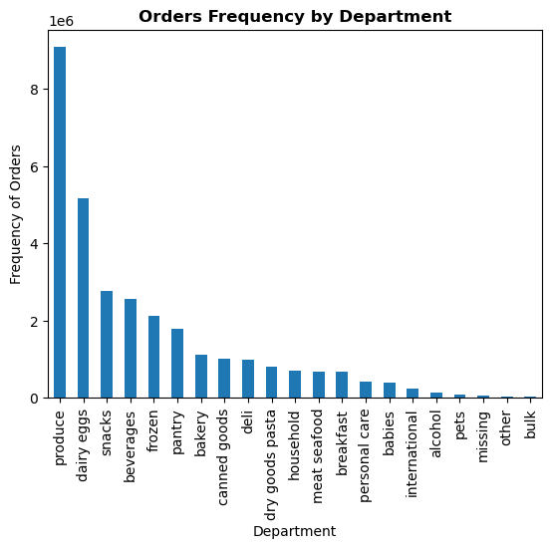

 |  |  |  | The histogram shows the frequency of purchases at different times of the day. Histogram distributions are left skewed by a relatively small order past midnight to early morning, peaking between 9am to 5pm.
 |  |  |  | among top three and contributes to 51% to the sales. On the contrary, alcohol, pets, other and bulk are
 |  |  |  | least five departments which contributes to only 1% to the sales.

6.a What’s the distribution among users in regards to their brand loyalty (i.e., how often do they return to Instacart)?
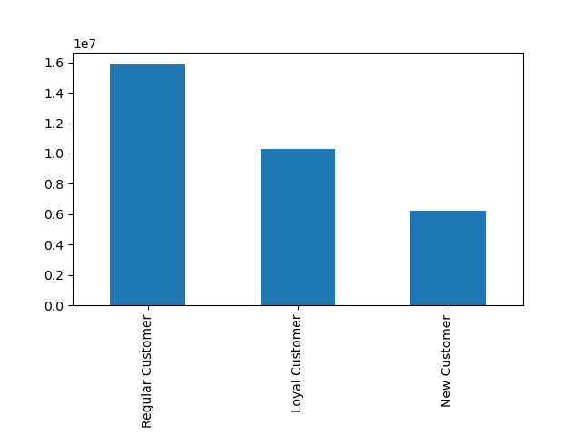

 |  |  |  | distribution
 |  |  |  | The distribution here shows the the customers loyalty.
 |  |  |  | If max_order is <=40 & >10 then Regular customer
 |  |  |  | If max_order>40 then Loyal customer
 |  |  |  | If max_order<=10 then New customer
 |  |  |  | Regular customers make 49% of all customers and new customers make 19% of all customers.

6.b Are there differences in ordering habits based on a customer’s loyalty status?

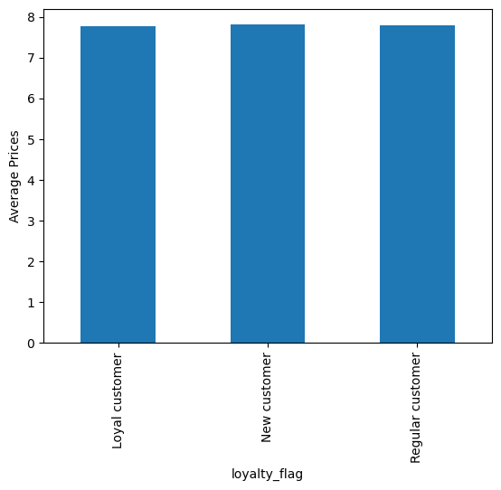
 |  |  | By prices
 |  |  | The distribution here shows the ordering habits based on customer's loyalty status.
 |  |  | The ordering habits across all departments remain remarkably consistent for the three distinct types of customers.
 |  |  | To illustrate, let's examine the ordering habits within the Produce Department, where regular customers account for 48.5% of the total orders, new customers contribute 18.3%, and loyal customers make up 33.2%.

 |  |  | By frequency of orders
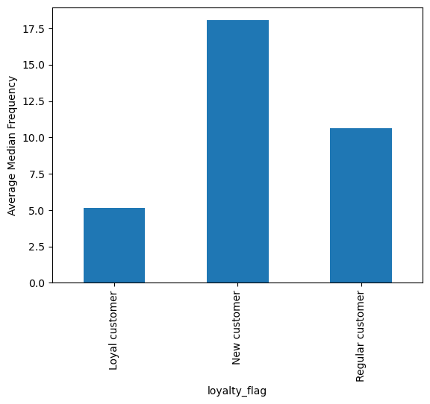
 |  |  | Loyal customers have the lowest average number of days between order of around 5.2 days when compared to regular customers who have an average of 10.6 days, while new customers have an average of around 18 days before their next order.

6.c Are there differences in ordering habits based on a customer’s region?

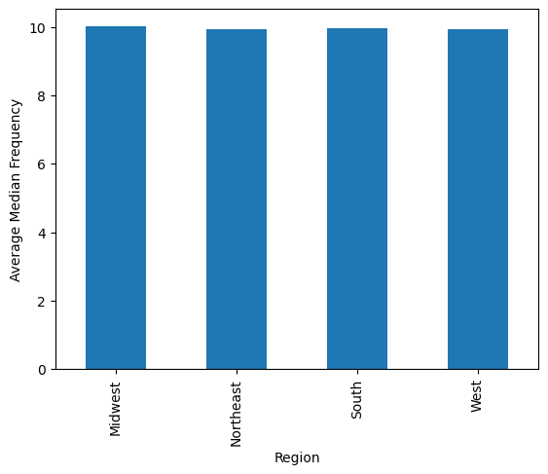
 |  | By frequency of orders
 |  | The distribution here shows the ordering habits based on customer's regions
 |  | The ordering habits across all departments remain remarkably consistent for the four different regions.
 |  | South region represents the highest number of orders.


 |  | By frequency of prices
 |  | The average prices of product spent is almost similar across all regions, with the South region having a slightly higher mean price than the rest.


6.d Is there a connection between age and family status in terms of ordering habits?

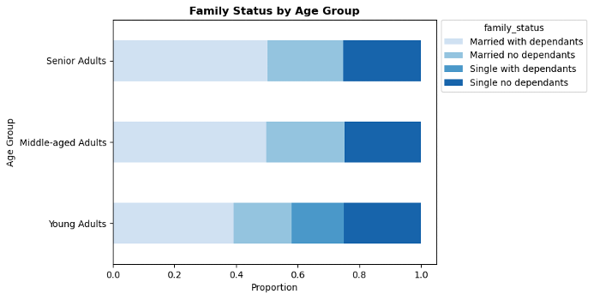
 |  |  | Family Status by Age Group

 |  |  | Compared to young adults, middle-aged and senior adults group have a larger proportion of Married with Dependants customers, while young adults group have smaller proportion of Married with no Dependants customers. Singles with dependants are not observed in middle-aged and senior adults groups.

 |  |  | By frequency of orders
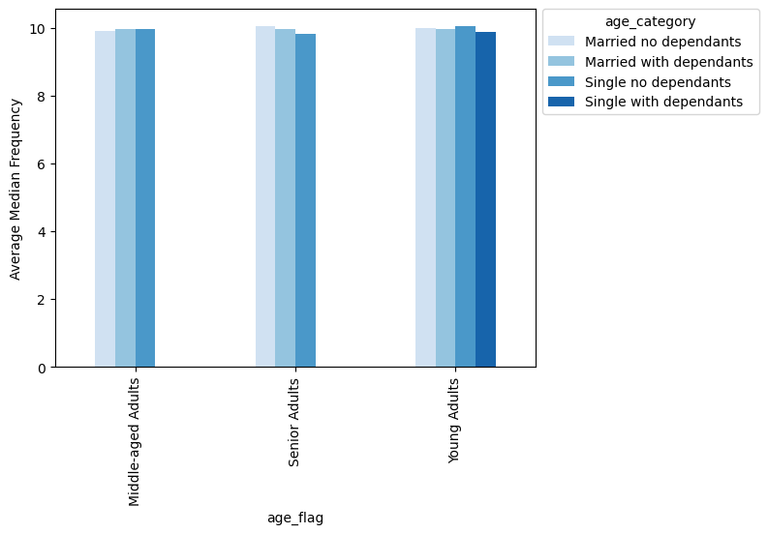
 |  |  | Senior single adults with no dependants adult tend to order slightly more often at around 9.83 days, while senior married adults with no dependants and young single adults with no dependant adults take slightly longer between purchases at around 10 days.

 |  |  | By prices

 |  |  | The average spending patterns is almost the same across all groups.

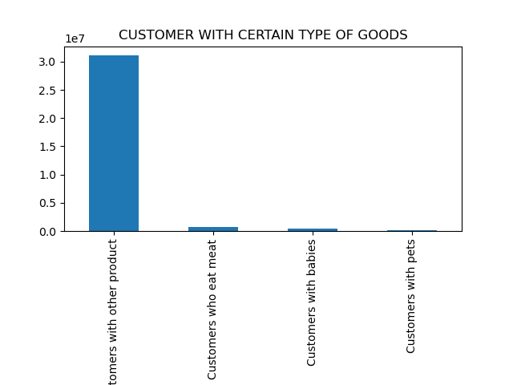
6.e What different classifications does the demographic information suggest? Age? Income? Certain types of goods? Family status?
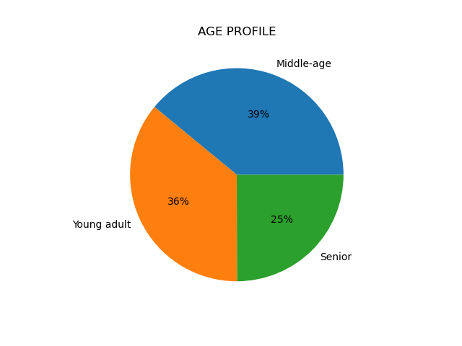
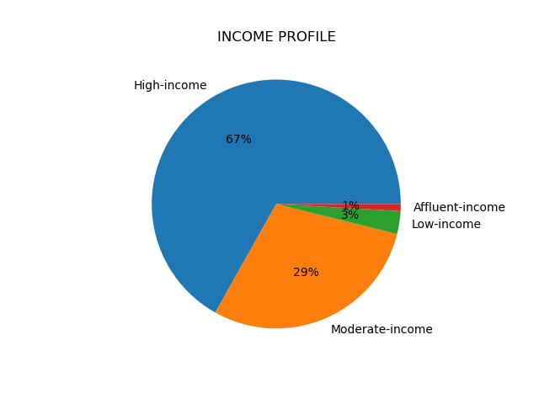
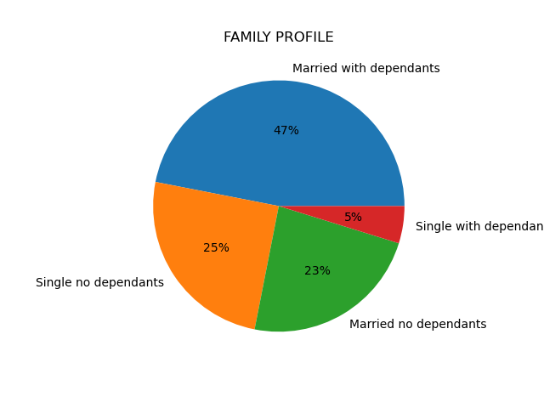

 | Categorization: Young Adults (18-35), Middle-aged Adults (36-55), Senior Adults (>56). Based on the chart, it appears that majority of customers are seniors, followed by middle-aged adults, and young adults being the lowest band. | Categorization: Low-income (<35k), Moderate-income (35-75k), High-income (75-180k), Affluent-income (>=180k). The majority of Instacart customers earn between 75-180K while the least portion comes from customers who earn more than 180K. |  |  |  | It is easily visible in the above plot that
 |  |  |  |  |  | 70.2% of Instacart's customers are married couples either without dependants or with dependants, while the rest are single adults, including divorced or widowed. | There are only 2% percent customers who orders non veg food.
 |  |  |  |  |  |  | And customers with babies and pets are less than 2%
 |  |  |  |  |  |  | 96% of the customers are those who orders from other department like produce, frozen, personal care, breakfast etc..

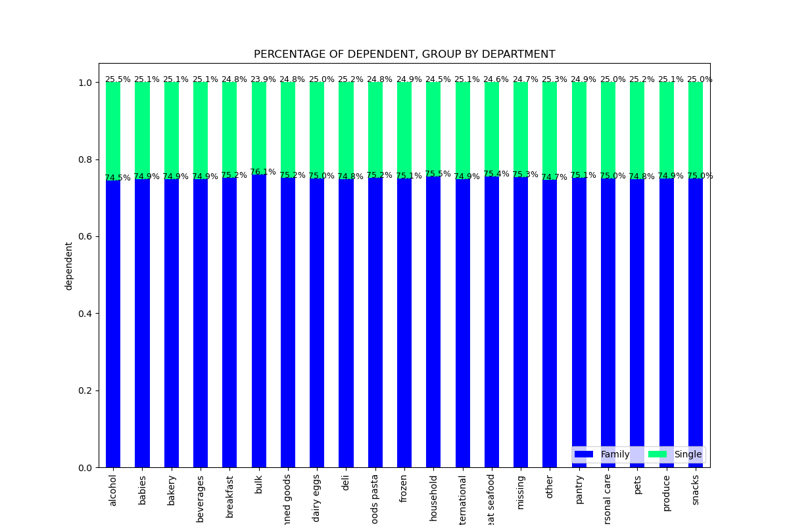
6.f What differences can you find in ordering habits of different customer profiles?

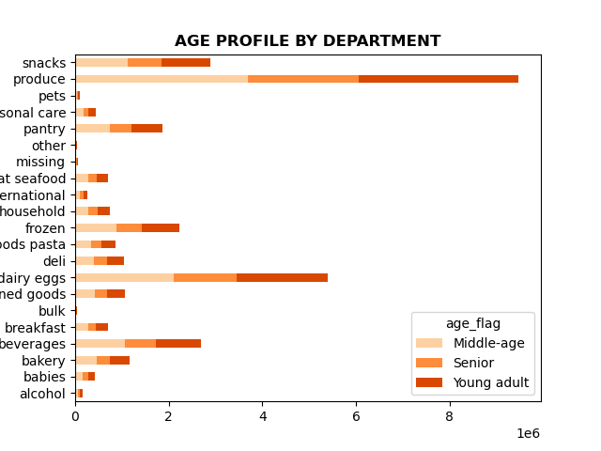
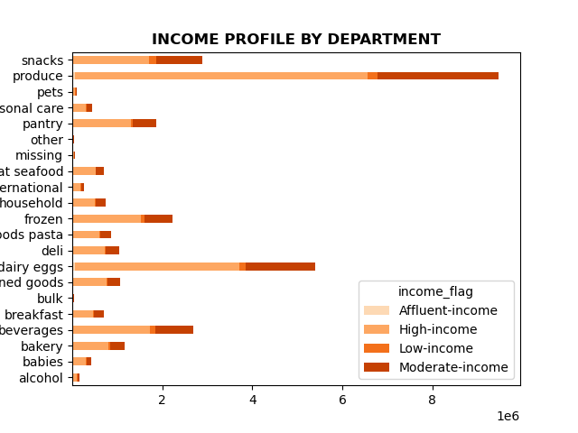

Produce is the highest department of all age group.
High income customers purchases the most products like produce, daily eggs.
The ordering habits remains almost the same in all departments across all age groups.

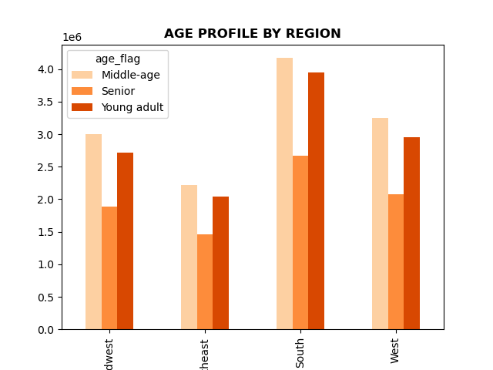
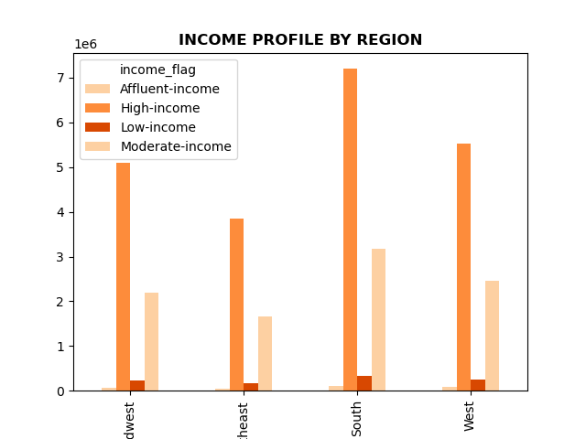
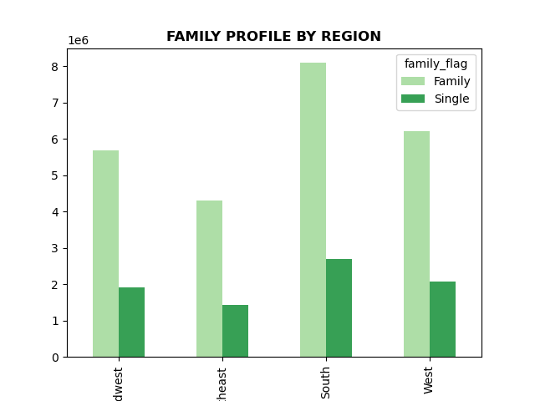

 | Middle age customers are highest in all region followed by young adult.
 | Middle income customers are highest in all region followed by Senior.
 | And family contributes the most in all region

7. Recommendations
 |  |  |  |  | Title page

Recommendations

1. What are the busiest days of the week and busiest hours of the day??

Answer: The busiest days of the week are the weekends, with Saturdays being the busiest day. In terms of hours of the day, Instacart is consistently busy from 9am to 5pm, although traffic peaks between 10 and 11am and decreases steadily after 3pm. There is very little traffic from 1 to 5 am.

Bar chart of the "order_day_of_week" column
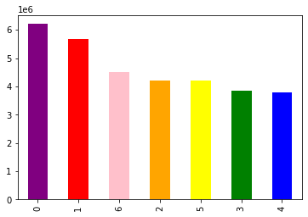

Recommendations: To increase revenue, schedule ads on Wednesday and Tuesday after 15, as sales begins to decrease after 15 up to morning 6.

2. They also want to know whether there are particular times of the day when people spend the most money, as this might inform the type of products they advertise at these times.

Answer: Instacart's customers spend the most money on Friday and Saturday with expenditure peaking from 2am to 7am, decreasing until 10am, then increasing before slightly decreasing at 7pm and then increasing back until 10pm. The Instacart's customers spend lesser in the morning time 8 to 11 am. The error band from 0-7 is wider, indicating that prices are more variable.

 | Line chart from "prices and "order_day_of_week" columns |  | Line chart from "prices and "order_hour_of_day" columns

Recommendations: Instacart should place more ads for high-priced products in the early morning hours from 4 am until 7 am.

3. Instacart has a lot of products with different price tags. Marketing and sales want to use simpler price range groupings to help direct their efforts.

Answer: : Prices less than and equal to 15 and greater than 5 are 'Mid range product'.
Prices <=5 are 'low range product'.
Prices >15 are 'High range product'.
67 % products falls under mid range product. And only 1% percent are products which falls under high range product.

4. Are there certain type of products that are popular than others?

Answer: produce,dairy eggs and snacks are among top three and contributes to 51% to the sales. On the contrary, alcohol, pets, other and bulk are least five departments which contributes to only 1% to the sales.

Recommendations: Instacart could either advertise the top three products which are already pretty well ordered or look after the reason behind the least popular departments and put the advertising effort to increase the sale.

5.a What’s the distribution among users in regards to their brand loyalty (i.e., how often do they return to Instacart)?

Answer: Regular customers account for the highest number of customers, while new customers account for the lowest number.

Bar chart of the loyalty_flag

Recommendations: To increase customer's loyalty, Instacart should consider implementing rewards programs that offer discounts on purchases up to a certain amount, as well as providing incentives for regular customers to recommend new customers to the platform. New customers. While new customers account for the lowest number, we can focus on attract and convert new customers by offering first purchase incentives and providing best customer experience.

5.b,c Are there differences in ordering habits based on a customer’s loyalty status and regions?

Answer: Loyal customers have the lowest average number of days between order of around 5.2 days when compared to regular customers who have an average of 10.6 days, while new customers have an average of around 18 days before their next order. In terms of spending, loyal customers spend slightly lower than regular and new customers. The ordering habits across all departments remain consistent for the three distinct types of customers. There are no significant differences between regions in terms of frequency of order or amount of money customers are willing to spend on the products.
 |  |  |  |  |  |  |  | Bar chart of frequency of orders, region
Bar chart of frequency of orders, loyality status |  | Bar chart of expenditures, loyality status |  |  |  | Bar chart of expenditures, region

Recommendations: New customers. Convert the new customers into regular customers to shorten the order time between their purchase by offering incentives or reward for their next purchase. Implementing targeted advertising strategies for re-ordering common items, such as personal care products or babies, would effectively boost order frequency and foster customer loyalty. Regular customers. Engage the regular customers and shorten the time between their purchases through limited-time offers or product bundles promotion to incentivize the regular customers to make purchase sooner. Consistently monitor the trend and consider to include other factors such as loyalty, age, income when analyzing customer ordering habits based on their location.

5.d Is there a connection between age and family status in terms of ordering habits?

Answer: Compared to young adults, middle-aged and senior adults group have a larger proportion of Married with Dependants customers, while young adults group have smaller proportion of Married with no Dependants customers. Singles with dependants are not observed in middle-aged and senior adults groups. There is a connection between age and family status in terms of ordering habits. Senior single adults with no dependants adult tend to order slightly more often at around 9.83 days, while senior married adults with no dependants and young single adults with no dependant adults take slightly longer between purchases at around 10 days. However, the average spending patterns are almost the same across all groups.

Family Status by Age Group |  |  |  | Bar chart of frequency of orders

Recommendations: Target married adults with dependants since these adults make up larger proportion of customers across age group. We can develop marketing campaigns and promotions that highlight products that are suitable for families with dependants. Tailor promotions and offers specifically for the senior single adults with no dependants as this customer segment tends to order slightly often than the rest. Create targeted promotions or personalized offer that appeal to senior married adults with no dependants and young single adults in order to encourage them to shop often from Instacart.

5.e What different classifications does the demographic information suggest? Age? Income? Certain types of goods? Family status?

Answer: We can classify the existing Instacart's customers into different age groups, income levels, certain types of goods, and their family status.

 | Customer Profiles by Age Groups | Customer Profiles by Income Levels |  |  | Customer Profiles by Family Status |  | Customer Profiles by Certain Types of Goods

Recommendations: It would be beneficial to advertise affordable products within specific departments such as produce, babies and pantry items to middle age group and families who generate significant revenue. Additionally ,targeting the low income profile customers with cost saving promortions would be crucial.

5.f What differences can you find in ordering habits of different customer profiles?

Answer: Across all regions, Instacart's customer pool consists of a similar age group distributions. Young adults make up the least proportion of customers, while seniors make up the most. As far as preferred products, produce, dairy eggs, and snacks are the top departments across all age groups. There are no obvious differences in the proportion of products customers are ordering across departments, as it is shown a similar pattern across age group. This suggest that age group only does not have an influence on the type of products they are choosing to purchase. Across all regions, high-income customers made up the largest customer proportion, while affluent-income customers made up the smallest. Produce, dairy eggs, and snacks are the top three departments across all income profiles. As compared to other income groups, low-income customers spend more in the snack (18%) and beverage departments (12%). However, affluent-income customers spend less on the produce department (19%) compared to other income groups, but more on dairy eggs, frozen, pantry, bakery, household, alcohol, and pets. On the other hand, high-income customers purchase more produce (30%) while purchasing least in snacks and beverages department. Across all regions, customer profiles by certain types of goods are distributed similarly. A combined profile of food enthusiasts and household essentials buyers makes up the highest proportion. A majority of Instacart's customers purchase more on produce, dairy eggs, and snacks departments. Pure household essentials buyers purchase slightly more produce and snacks than other household essentials buyer' profile combination, while food enthusiast, household essentials and parent with babies buyers purchase dairy products in greater proportions in comparison to other categories. Family status proportions are similar across all regions with "Married with dependants" customers accounting for the highest proportion and "Single with dependants" customers

Recommendations: - Targeted promotions for specific age groups, for example for young adults, create campaigns that resonate with this age group by highlighting convenience, time-saving options, and trendy products whereby for seniors we can emphasize on health-conscious choices. - Targeted marketing based on income levels. For low-income customers, emphasize on affordability, discounts, and value-for-money options, particularly in the snacks and beverages department. However for high-income and affluent-income customers, focus on high quality and premium quality offerings, while highlighting the freshness, quality, and variaty of produce, dairy eggs, and snacks. - Family oriented promotions by developing marketing campaigns that cater to the needs of families. Highlight the convenience, variety, and nutrional value of produce, dairy eggs, and snacks. We can also offer bundling options or family-size packages to attract these "Married with dependants" customers. - Segment marketing efforts based on customer profiles by certain types of goods. Develop campaigns or promotions for each profile of customer separately by highlighting the relevant product categories and benefits. We can also provide personalized recommendations based on their past purchases.

